Blad1
 | ORDER |  | SUPPLIER : |  | ELITE |  | SEASON : | 2026/2 |  | YR REF : | P46W108

 |  |  | DATE: | 2026-04-13 |  |  | PRICE : | 14.95 | EURO | QUAL. : | KARBEL

 |  |  | DESCRIPTION : |  | SWEATER ROUND NECK LONG SLEEVE

REFERENCE |  | HOT CORAL |  |  | SIZE : | 36 | 38 | 40 | 42 | 44 | 46 | TOTAL
P46W108 |  | NAVY |  |  | AS SAMPLE | 30 | 46 | 52 | 50 | 46 | 38 | 262
 |  |  |  |  |  |  |  |  |  |  |  | 0
 |  |  |  |  |  |  |  |  |  |  |  | 0
 |  |  |  |  |  |  |  |  |  |  |  | 0
 |  |  |  |  |  |  |  |  |  |  |  | 0
NAVY |  |  |  |  |  |  |  |  |  |  |  | 262
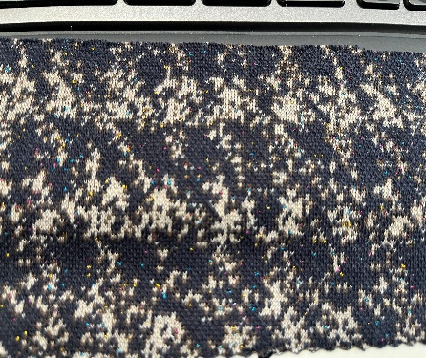
 |  |  |  |  |  |  |  |  |  |  |  | STYLE
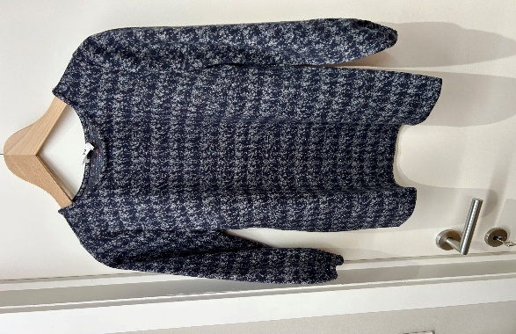

LABELS |  | SHE GOES LALA

REMARK |  | CAN WE USE RIB AT CUFF? LIKE REAL SWEATER?

DELIVERY |  | June

